Sheet1
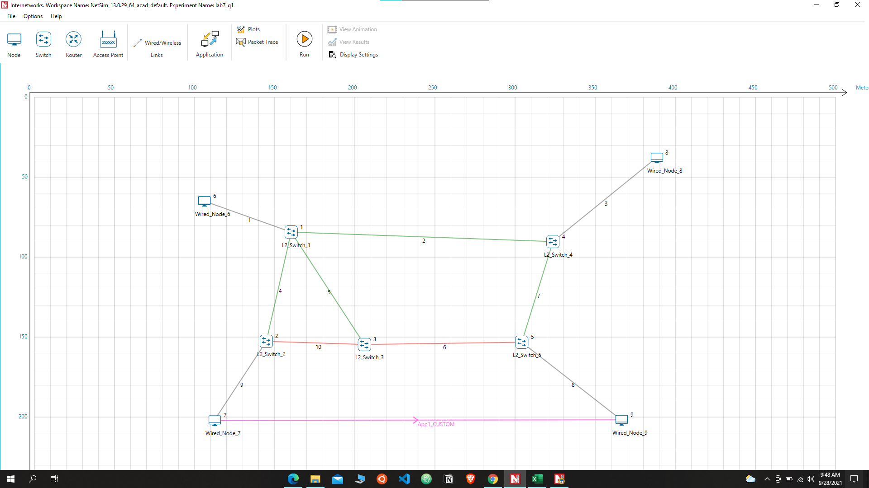

 |  |  |  |  |  | Designated ports | Green

 |  |  |  |  |  | Blocked Ports | Red

1)3

L2_SWITCH_1

Mac Address | Type | OutPort
AF1D00000601 | Dynamic | 1
AF1D00000401 | Dynamic | 2
AF1D00000201 | Dynamic | 3
AF1D00000301 | Dynamic | 4
AF1D00000701 | Dynamic | 3
AF1D00000901 | Dynamic | 2

L2_SWITCH_2

Mac Address | Type | OutPort
AF1D00000103 | Dynamic | 1
AF1D00000701 | Dynamic | 2
AF1D00000303 | Dynamic | 3
AF1D00000901 | Dynamic | 1

L2_SWITCH_3

Mac Address | Type | OutPort
AF1D00000104 | Dynamic | 1
AF1D00000501 | Dynamic | 2
AF1D00000203 | Dynamic | 3
AF1D00000701 | Dynamic | 1

L2_SWITCH_4

Mac Address | Type | OutPort
AF1D00000102 | Dynamic | 1
AF1D00000801 | Dynamic | 2
AF1D00000502 | Dynamic | 3
AF1D00000701 | Dynamic | 1
AF1D00000901 | Dynamic | 3

L2_SWITCH_5

Mac Address | Type | OutPort
AF1D00000302 | Dynamic | 1
AF1D00000403 | Dynamic | 2
AF1D00000901 | Dynamic | 3
AF1D00000701 | Dynamic | 2

Q2 -1

 | Device Id | Packet sent | Packet forwarded | Packet received | Packet discarded
 | 3 | 5000 | 0 | 0 | 0
 | 4 | 0 | 0 | 4987 | 0
 | 5 | 0 | 0 | 0 | 0
 | 6 | 0 | 0 | 0 | 0

Q2-2
 | Device Id | Packet sent | Packet forwarded | Packet received | Packet discarded
 | 3 | 5002 | 0 | 5003 | 0
 | 4 | 5014 | 0 | 5001 | 0
 | 5 | 0 | 0 | 0 | 0
 | 6 | 0 | 0 | 0 | 0

Q2-3
 | Device Id | Packet sent | Packet forwarded | Packet received | Packet discarded
 | 3 | 0 | 0 | 0 | 0
 | 4 | 5 | 0 | 0 | 0
 | 5 | 0 | 0 | 0 | 0
 | 6 | 0 | 0 | 0 | 0

